Weight and power
 |  | CMJ |  | Weight |  | CMJ = best out of 3
 |  | CMJ Pre Tr | CMJ Post Tr | Weight Pre Tr | Weight Post Tr | Pmax/kg | WEIGHT |  |  |  |  |  |  | CMJ
A | Training | 45.07 | 46.56 | 66 | 69 |  | Repeated Measures ANOVA |  |  |  |  |  |  | Repeated Measures ANOVA
B | Training | 52.04 | 53.6 | 76 | 76
C | Training | 50.65 | 46.86 | 69 | 68.8 |  | Within Subjects Effects |  |  |  |  |  |  | Within Subjects Effects
D | Training | 53.35 | 54.32 | 75 | 76.5 |  |  | Sum of Squares | df | Mean Square | F | p | η² |  | Sum of Squares | df | Mean Square | F | p | η²
E | Training | 42.64 | 42.66 | 63 | 63 |  | time | 4.229 | 1 | 4.229 | 4.103 | 0.054 | 0.131 | time | 5.302 | 1 | 5.302 | 2.04 | 0.166 | 0.078
F | Training | 54.43 | 53.46 | 63 | 62.2 |  | time ✻ group | 3.41 | 1 | 3.41 | 3.309 | 0.081 | 0.105 | time ✻ group | 0.637 | 1 | 0.637 | 0.245 | 0.625 | 0.009
G | Training | 48.15 | 47.98 | 56 | 56 |  | Residual | 24.733 | 24 | 1.031 |  |  |  | Residual | 62.376 | 24 | 2.599
H | Training | 55.62 | 54.48 | 65 | 61.8
I | Training | 54.58 | 56.59 | 80 | 80 |  | Note. Type III Sum of Squares |  |  |  |  |  |  | Note. Type III Sum of Squares
J | Training | 43.52 | 44 | 70 | 70
K | Training | 23.37 | 29.95 | 77 | 77.4 |  | Between Subjects Effects |  |  |  |  |  |  | Between Subjects Effects
L | Training | 49.29 | 52.6 | 77 | 77 |  |  | Sum of Squares | df | Mean Square | F | p | η² |  | Sum of Squares | df | Mean Square | F | p | η²
 |  |  |  |  |  |  | group | 111.4 | 1 | 111.4 | 0.957 | 0.338 | 0.038 | group | 202.3 | 1 | 202.28 | 2.146 | 0.156 | 0.082
 | Mean | 47.725833333 | 48.588333333 | 69.75 | 69.808333333 |  | Residual | 2793.4 | 24 | 116.4 |  |  |  | Residual | 2261.9 | 24 | 94.25
 | SD | 8.839367993 | 7.4320593418 | 7.3500154607 | 7.7288665914
 |  |  |  |  |  |  | Note. Type III Sum of Squares |  |  |  |  |  |  | Note. Type III Sum of Squares

 |  | CMJ |  | Weight
 |  | CMJ Pre Con | CMJ Post Con | Weight Pre Con | Weight Post Con |  | Descriptives |  |  |  |  |  |  | Descriptives
M | Control | 39.38 | 38.94 | 55 | 57
N | Control | 46.27 | 48.62 | 62 | 63 |  | Descriptives |  |  |  |  |  |  | Descriptives
O | Control | 45.04 | 46.73 | 63 | 65.8 |  | time | group | Mean | SD | N |  |  | time | group | Mean | SD | N
P | Control | 34.61 | 33.05 | 63 | 67.8 |  | Level 1 | control | 66.3 | 8.1 | 14 |  |  | Level 1 | control | 43.99 | 5.78 | 14
Q | Control | 45.14 | 48.03 | 76.1 | 76.1 |  |  | training | 69.75 | 7.35 | 12 |  |  |  | training | 47.73 | 8.839 | 12
R | Control | 35.96 | 39.47 | 55 | 56 |  | Level 2 | control | 67.39 | 7.41 | 14 |  |  | Level 2 | control | 44.41 | 5.704 | 14
S | Control | 43.93 | 45.42 | 64 | 64.2 |  |  | training | 69.81 | 7.729 | 12 |  |  |  | training | 48.59 | 7.432 | 12
T | Control | 37.38 | 36.17 | 66 | 67.8
U | Control | 52.75 | 50.66 | 74 | 74.5
V | Control | 49.23 | 50.5 | 59 | 60.1
W | Control | 53.74 | 51.35 | 84 | 82.9 |  | Descriptives Plot |  |  |  |  |  |  | Descriptives Plot
X | Control | 42.58 | 41.68 | 67.1 | 67.1
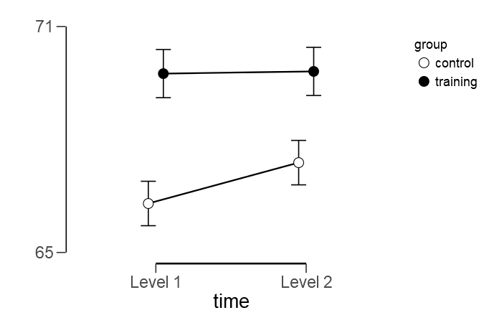
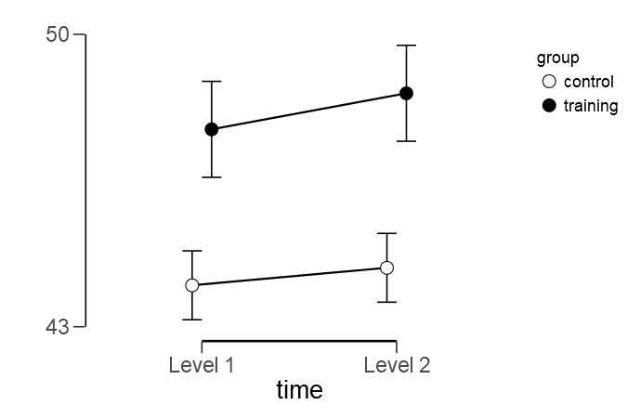
Y | Control | 46.7 | 45.49 | 69 | 69.2
Z | Control | 43.17 | 45.63 | 71 | 71.9

 | Mean | 43.991428571 | 44.41 | 66.3 | 67.385714286
 | SD | 5.7799306053 | 5.7037410126 | 8.1001424489 | 7.41006147

SL training
SL Training |  | Pre |  |  |  |  | Post
 |  | Trial 1 | Trial 2 | Trial 3 | Trial 4 | Mean Pre | Trial 1 | Trial 2 | Trial 3 | Trial 4 | Mean Post
A | Training | 1 | 1 | 2 | 3 | 1.75 | 2 | 1 | 10 | 2 | 3.75
B | Training | 1 | 3 | 2 | 0 | 1.5 | 12 | 10 | 12 | 10 | 11
C | Training | 1 | 2 | 1 | 2 | 1.5 | 4 | 1 | 2 | 1 | 2
D | Training | 1 | 0 | 1 | 1 | 0.75 | 9 | 2 | 12 | 8 | 7.75
E | Training | 4 | 2 | 2 | 4 | 3 | 4 | 2 | 2 | 4 | 3
F | Training | 2 | 2 | 1 | 1 | 1.5 | 2 | 6 | 21 | 15 | 11
G | Training | 1 | 1 | 0 | 0 | 0.5 | 3 | 1 | 2 | 2 | 2
H | Training | 1 | 0 | 0 | 2 | 0.75 | 3 | 10 | 0 | 5 | 4.5
I | Training | 0 | 1 | 1 | 2 | 1 | 2 | 14 | 1 | 3 | 5
J | Training | 0 | 0 | 1 | 1 | 0.5 | 3 | 4 | 7 | 15 | 7.25
K | Training | 1 | 1 | 2 | 1 | 1.25 | 1 | 4 | 3 | 1 | 2.25
L | Training | 1 | 0 | 2 | 1 | 1 | 3 | 6 | 2 | 3 | 3.5

 | Mean | 1.1666666667 | 1.0833333333 | 1.25 | 1.5 | 1.25 | 4 | 5.0833333333 | 6.1666666667 | 5.75 | 5.25
 | SD | 1.0298573011 | 0.9962049199 | 0.75377836144 | 1.1677484162 | 0.69084927971 | 3.2192602199 | 4.2737748555 | 6.3794176613 | 5.1012476192 | 3.2683050931

 |  | Pre |  |  |  |  | Post
 |  | Trial 1 | Trial 2 | Trial 3 | Trial 4 | Mean Pre | Trial 1 | Trial 2 | Trial 3 | Trial 4 | Mean Post
M | Control | 2 | 0 | 1 | 1 | 1 | 1 | 1 | 2 | 1 | 1.25
N | Control | 2 | 2 | 4 | 3 | 2.75 | 1 | 2 | 1 | 2 | 1.5
O | Control | 3 | 2 | 0 | 2 | 1.75 | 2 | 1 | 3 | 3 | 2.25
P | Control | 0 | 1 | 0 | 0 | 0.25 | 0 | 1 | 0 | 1 | 0.5
Q | Control | 1 | 0 | 2 | 2 | 1.25 | 2 | 3 | 2 | 1 | 2
R | Control | 0 | 1 | 1 | 0 | 0.5 | 1 | 0 | 1 | 0 | 0.5
S | Control | 1 | 2 | 1 | 1 | 1.25 | 3 | 2 | 2 | 2 | 2.25
T | Control | 2 | 0 | 1 | 1 | 1 | 2 | 1 | 1 | 1 | 1.25
U | Control | 2 | 1 | 1 | 0 | 1 | 1 | 1 | 1 | 1 | 1
V | Control | 1 | 0 | 1 | 2 | 1 | 2 | 1 | 0 | 0 | 0.75
W | Control | 2 | 1 | 1 | 1 | 1.25 | 1 | 2 | 2 | 1 | 1.5
X | Control | 2 | 0 | 2 | 3 | 1.75 | 1 | 2 | 3 | 4 | 2.5
Y | Control | 2 | 1 | 2 | 1 | 1.5 | 2 | 1 | 3 | 2 | 2
Z | Control | 1 | 1 | 2 | 2 | 1.5 | 2 | 2 | 0 | 1 | 1.25

 | Mean | 1.5 | 0.85714285714 | 1.3571428571 | 1.3571428571 | 1.2678571429 | 1.5 | 1.4285714286 | 1.5 | 1.4285714286 | 1.4642857143
 | SD | 0.85485041427 | 0.77032888652 | 1.008208072 | 1.008208072 | 0.60019456552 | 0.75955452531 | 0.75592894602 | 1.0919284282 | 1.0894095588 | 0.65674856781

 |  | Results

 |  | Repeated Measures ANOVA

 |  | Within Subjects Effects
 |  |  |  | Sum of Squares |  | df | Mean Square |  | F |  | p | η²
 |  | time |  | 56.89 |  | 1 | 56.894 |  | 20.86 |  | < .001 | 0.336
 |  | time ✻ group |  | 46.74 |  | 1 | 46.74 |  | 17.14 |  | < .001 | 0.276
 |  | Residual |  | 65.45 |  | 24 | 2.727

 |  | Note. Type III Sum of Squares

 |  | Between Subjects Effects
 |  |  |  | Sum of Squares |  | df | Mean Square |  | F |  | p | η²
 |  | group |  | 45.87 |  | 1 | 45.866 |  | 16.29 |  | < .001 | 0.404
 |  | Residual |  | 67.59 |  | 24 | 2.816

 |  | Note. Type III Sum of Squares

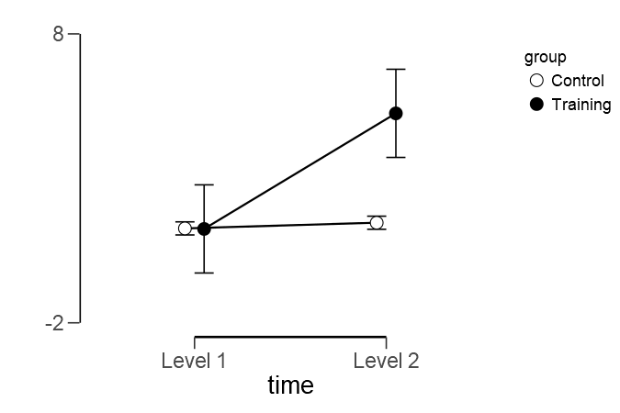
 |  | Descriptives

 |  | Descriptives Plot

SL lab
SL Lab |  | Pre |  |  |  |  |  | Post
 |  | Trial 1 | Trial 2 | Trial 3 | Trial 4 | Mean Pre |  | Trial 1 | Trial 2 | Trial 3 | Trial 4 | Mean Post
A | Training | 1 | 3 | 1 | 2 | 1.75 |  | 3 | 5 | 5 | 2 | 3.75
B | Training | 2 | 1 | 2 | 2 | 1.75 |  | 2 | 6 | 4 | 8 | 5
C | Training | 2 | 1 | 2 | 2 | 1.75 |  | 2 | 3 | 5 | 4 | 3.5
D | Training | 2 | 1 | 3 | 2 | 2 |  | 7 | 2 | 2 | 1 | 3
E | Training | 1 | 1 | 2 | 3 | 1.75 |  | 2 | 6 | 6 | 3 | 4.25
F | Training | 2 | 0 | 2 | 2 | 1.5 |  | 2 | 2 | 2 | 1 | 1.75
G | Training | 1 | 1 | 2 | 2 | 1.5 |  | 2 | 6 | 3 | 2 | 3.25
H | Training | 2 | 1 | 1 | 2 | 1.5 |  | 4 | 5 | 10 | 2 | 5.25
I | Training | 2 | 2 | 3 | 1 | 2 |  | 2 | 2 | 1 | 2 | 1.75
J | Training | 0 | 2 | 2 | 1 | 1.25 |  | 1 | 8 | 3 | 7 | 4.75
K | Training | 2 | 2 | 0 | 0 | 1 |  | 3 | 2 | 3 | 4 | 3
L | Training | 0 | 1 | 3 | 1 | 1.25 |  | 3 | 7 | 4 | 3 | 4.25

 | Mean | 1.4166666667 | 1.3333333333 | 1.9166666667 | 1.6666666667 | 1.5833333333 |  | 2.75 | 4.5 | 4 | 3.25 | 3.625
 | SD | 0.7929614611 | 0.77849894416 | 0.90033663738 | 0.77849894416 | 0.30772872745 |  | 1.5447859516 | 2.1950357214 | 2.3741027013 | 2.2207697273 | 1.1505927326

 |  | Pre |  |  |  |  |  | Post
 |  | Trial 1 | Trial 2 | Trial 3 | Trial 4 | Mean Pre |  | Trial 1 | Trial 2 | Trial 3 | Trial 4 | Mean Post
M | Control | 1 | 1 | 2 | 2 | 1.5 |  | 1 | 3 | 1 | 2 | 1.75
N | Control | 0 | 1 | 2 | 0 | 0.75 |  | 1 | 1 | 0 | 1 | 0.75
O | Control | 1 | 0 | 0 | 1 | 0.5 |  | 1 | 3 | 3 | 2 | 2.25
P | Control | 0 | 0 | 0 | 1 | 0.25 |  | 1 | 0 | 0 | 1 | 0.5
Q | Control | 1 | 1 | 4 | 2 | 2 |  | 4 | 3 | 3 | 2 | 3
R | Control | 0 | 1 | 1 | 1 | 0.75 |  | 1 | 1 | 0 | 0 | 0.5
S | Control | 1 | 3 | 1 | 2 | 1.75 |  | 2 | 1 | 3 | 3 | 2.25
T | Control | 1 | 0 | 0 | 1 | 0.5 |  | 1 | 0 | 1 | 2 | 1
U | Control | 1 | 1 | 2 | 1 | 1.25 |  | 1 | 1 | 2 | 1 | 1.25
V | Control | 0 | 2 | 1 | 1 | 1 |  | 1 | 1 | 3 | 2 | 1.75
W | Control | 3 | 2 | 1 | 3 | 2.25 |  | 2 | 3 | 2 | 1 | 2
X | Control | 1 | 1 | 1 | 2 | 1.25 |  | 1 | 3 | 3 | 4 | 2.75
Y | Control | 1 | 1 | 2 | 1 | 1.25 |  | 4 | 1 | 2 | 4 | 2.75
Z | Control | 1 | 2 | 1 | 2 | 1.5 |  | 1 | 1 | 2 | 0 | 1

 | Mean | 0.85714285714 | 1.1428571429 | 1.2857142857 | 1.4285714286 | 1.1785714286 |  | 1.5714285714 | 1.5714285714 | 1.7857142857 | 1.7857142857 | 1.6785714286
 | SD | 0.77032888652 | 0.86443782151 | 1.0690449676 | 0.75592894602 | 0.591840118 |  | 1.0894095588 | 1.157868447 | 1.1883130531 | 1.2513728725 | 0.85725731836

 | Results

 | Repeated Measures ANOVA

 | Within Subjects Effects
 |  |  | Sum of Squares |  | df |  | Mean Square |  | F |  | p |  | η²
 | Time |  | 20.871 |  | 1 |  | 20.871 |  | 41.78 |  | < .001 |  | 0.515
 | Time ✻ group |  | 7.679 |  | 1 |  | 7.679 |  | 15.37 |  | < .001 |  | 0.189
 | Residual |  | 11.99 |  | 24 |  | 0.5

 | Note. Type III Sum of Squares

 | Between Subjects Effects
 |  |  | Sum of Squares |  | df |  | Mean Square |  | F |  | p |  | η²
 | group |  | 17.86 |  | 1 |  | 17.86 |  | 24.19 |  | < .001 |  | 0.502
 | Residual |  | 17.72 |  | 24 |  | 0.738

 | Note. Type III Sum of Squares

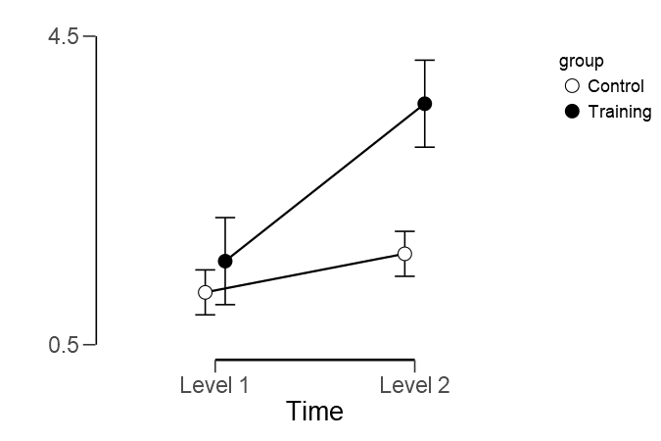
 | Descriptives

 | Descriptives Plot

SL vs. SL
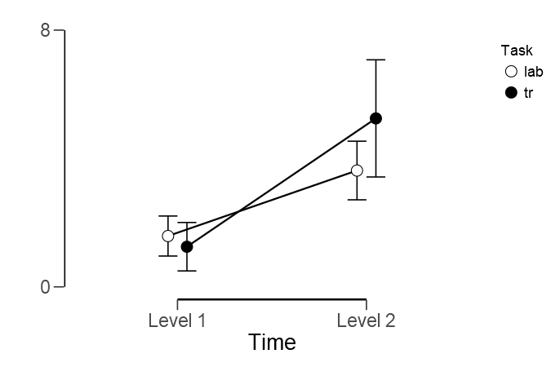
SL Lab |  | Pre |  |  |  |  |  | Post
 |  | Trial 1 | Trial 2 | Trial 3 | Trial 4 | Mean Pre |  | Trial 1 | Trial 2 | Trial 3 | Trial 4 | Mean Post
A | Training | 1 | 3 | 1 | 2 | 1.75 |  | 3 | 5 | 5 | 2 | 3.75
B | Training | 2 | 1 | 2 | 2 | 1.75 |  | 2 | 6 | 4 | 8 | 5
C | Training | 2 | 1 | 2 | 2 | 1.75 |  | 2 | 3 | 5 | 4 | 3.5
D | Training | 2 | 1 | 3 | 2 | 2 |  | 7 | 2 | 2 | 1 | 3
E | Training | 1 | 1 | 2 | 3 | 1.75 |  | 2 | 6 | 6 | 3 | 4.25
F | Training | 2 | 0 | 2 | 2 | 1.5 |  | 2 | 2 | 2 | 1 | 1.75
G | Training | 1 | 1 | 2 | 2 | 1.5 |  | 2 | 6 | 3 | 2 | 3.25
H | Training | 2 | 1 | 1 | 2 | 1.5 |  | 4 | 5 | 10 | 2 | 5.25
I | Training | 2 | 2 | 3 | 1 | 2 |  | 2 | 2 | 1 | 2 | 1.75
J | Training | 0 | 2 | 2 | 1 | 1.25 |  | 1 | 8 | 3 | 7 | 4.75
K | Training | 2 | 2 | 0 | 0 | 1 |  | 3 | 2 | 3 | 4 | 3
L | Training | 0 | 1 | 3 | 1 | 1.25 |  | 3 | 7 | 4 | 3 | 4.25

 | Mean | 1.4166666667 | 1.3333333333 | 1.9166666667 | 1.6666666667 | 1.5833333333 |  | 2.75 | 4.5 | 4 | 3.25 | 3.625
 | SD | 0.7929614611 | 0.77849894416 | 0.90033663738 | 0.77849894416 | 0.30772872745 |  | 1.5447859516 | 2.1950357214 | 2.3741027013 | 2.2207697273 | 1.1505927326

SL Training |  | Pre |  |  |  |  |  | Post
 |  | Trial 1 | Trial 2 | Trial 3 | Trial 4 | Mean Pre |  | Trial 1 | Trial 2 | Trial 3 | Trial 4 | Mean Post
A | Training | 1 | 1 | 2 | 3 | 1.75 |  | 2 | 1 | 10 | 2 | 3.75
B | Training | 1 | 3 | 2 | 0 | 1.5 |  | 12 | 10 | 12 | 10 | 11
C | Training | 1 | 2 | 1 | 2 | 1.5 |  | 4 | 1 | 2 | 1 | 2
D | Training | 1 | 0 | 1 | 1 | 0.75 |  | 9 | 2 | 12 | 8 | 7.75
E | Training | 4 | 2 | 2 | 4 | 3 |  | 4 | 2 | 2 | 4 | 3
F | Training | 2 | 2 | 1 | 1 | 1.5 |  | 2 | 6 | 21 | 15 | 11
G | Training | 1 | 1 | 0 | 0 | 0.5 |  | 3 | 1 | 2 | 2 | 2
H | Training | 1 | 0 | 0 | 2 | 0.75 |  | 3 | 10 | 0 | 5 | 4.5
I | Training | 0 | 1 | 1 | 2 | 1 |  | 2 | 14 | 1 | 3 | 5
J | Training | 0 | 0 | 1 | 1 | 0.5 |  | 3 | 4 | 7 | 15 | 7.25
K | Training | 1 | 1 | 2 | 1 | 1.25 |  | 1 | 4 | 3 | 1 | 2.25
L | Training | 1 | 0 | 2 | 1 | 1 |  | 3 | 6 | 2 | 3 | 3.5

 | Mean | 1.1666666667 | 1.0833333333 | 1.25 | 1.5 | 1.25 |  | 4 | 5.0833333333 | 6.1666666667 | 5.75 | 5.25
 | SD | 1.0298573011 | 0.9962049199 | 0.75377836144 | 1.1677484162 | 0.69084927971 |  | 3.2192602199 | 4.2737748555 | 6.3794176613 | 5.1012476192 | 3.2683050931

 |  |  |  |  |  |  |  | 0.18717502217 | 0.69588675777 | 0.34614996937 | 0.10653567529 | 0.13810633777

 | Repeated Measures ANOVA

 | Within Subjects Effects
 |  |  | Sum of Squares |  | df |  | Mean Square |  | F |  | p |  | η²
 | Time |  | 109.505 |  | 1 |  | 109.505 |  | 35.401 |  | < .001 |  | 0.763
 | Residual |  | 34.026 |  | 11 |  | 3.093
 | Task |  | 5.005 |  | 1 |  | 5.005 |  | 1.686 |  | 0.221 |  | 0.133
 | Residual |  | 32.651 |  | 11 |  | 2.968
 | Time ✻ Task |  | 11.505 |  | 1 |  | 11.505 |  | 3.323 |  | 0.096 |  | 0.232
 | Residual |  | 38.089 |  | 11 |  | 3.463

 | Note. Type III Sum of Squares

 | Between Subjects Effects
 |  |  | Sum of Squares |  | df |  | Mean Square |  | F |  | p |  | η²
 | Residual |  | 34.03 |  | 11 |  | 3.093

 | Note. Type III Sum of Squares

 | Descriptives

 | Descriptives
 | Time |  | Task |  | Mean |  | SD |  | N
 | Level 1 |  | lab |  | 1.583 |  | 0.308 |  | 12
 |  |  | tr |  | 1.25 |  | 0.691 |  | 12
 | Level 2 |  | lab |  | 3.625 |  | 1.151 |  | 12
 |  |  | tr |  | 5.25 |  | 3.268 |  | 12

 | Descriptives Plot

Sensoboard
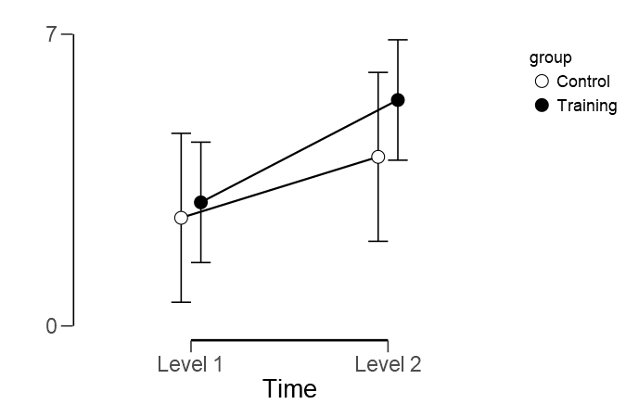
Sensoboard |  | Pre |  |  |  |  | Post
 |  | Trial 1 | Trial 2 | Trial 3 | Trial 4 | Mean Pre | Trial 1 | Trial 2 | Trial 3 | Trial 4 | Mean Post
A | Training | 5 | 1.2 | 1.65 | 2.56 | 2.6025 | 4.5 | 20 | 10.4 | 11.8 | 11.675
B | Training | 1.33 | 1.35 | 2.2 | 1.61 | 1.6225 | 3 | 2.3 | 2.8 | 2.8 | 2.725
C | Training | 1.3 | 1.56 | 6.55 | 1.57 | 2.745 | 3.85 | 0.62 | 2.2 | 4.52 | 2.7975
D | Training | 2.4 | 1.98 | 2.38 | 1.6 | 2.09 | 1.3 | 1.3 | 2.3 | 1.9 | 1.7
E | Training | 4.25 | 15.9 | 4.63 | 12.96 | 9.435 | 15.83 | 15.35 | 16.32 | 20 | 16.875
F | Training |  | 1.65 | 2.45 | 13.73 | 5.9433333333 | 2.5 | 14.03 | 8.19 | 11.25 | 8.9925
G | Training | 2.63 | 2.46 | 1.36 | 7.85 | 3.575 | 2.3 | 1.8 | 3.6 | 7.6 | 3.825
H | Training | 1.35 | 0.86 | 0.69 | 3.14 | 1.51 | 8.63 | 0.76 | 12.96 | 5.23 | 6.895
I | Training | 2.7 | 4.16 | 1.3 | 1.06 | 2.305 | 0.8 | 2.32 | 1.62 | 1.86 | 1.65
J | Training | 0.06 | 2.35 | 1.35 | 1.46 | 1.305 | 0.63 | 2.06 | 6.7 | 6.66 | 4.0125
K | Training | 1.49 | 0 | 0 | 0 | 0.3725 | 0.9 | 1.2 | 0.8 | 1.2 | 1.025
L | Training | 0.89 | 2.6 | 0.73 | 4.1 | 2.08 | 3.9 | 0.8 | 4.9 | 2 | 2.9

 | Mean | 2.1272727273 | 3.0058333333 | 2.1075 | 4.3033333333 | 2.9654861111 | 4.0116666667 | 5.2116666667 | 6.0658333333 | 6.4016666667 | 5.4227083333
 | SD | 1.4679379477 | 4.1899001037 | 1.8251083405 | 4.6706848502 | 2.4617752345 | 4.3306892866 | 6.9374724679 | 4.9644416666 | 5.5944369013 | 4.8398317094

 |  | Pre |  |  |  |  | Post
 |  | Trial 1 | Trial 2 | Trial 3 | Trial 4 | Mean Pre | Trial 1 | Trial 2 | Trial 3 | Trial 4 | Mean Post
M | Control | 0.9 | 3.14 | 2.07 | 3.69 | 2.45 | 8.9 | 3 | 2.8 | 2 | 4.175
N | Control | 10.86 | 3.41 | 9.09 | 5.64 | 7.25 | 1 | 9.8 | 1 | 2.9 | 3.675
O | Control | 1.56 | 1.12 | 2.65 | 1.23 | 1.64 | 5.36 | 2.37 | 3.05 | 1.06 | 2.96
P | Control | 2.66 | 1.86 | 1.46 | 4.32 | 2.575 | 0.92 | 0.75 | 1.75 | 1.7 | 1.28
Q | Control | 1.25 | 1.85 | 2 | 2.77 | 1.9675 | 1.26 | 2.2 | 1.9 | 5.18 | 2.635
R | Control | 2.95 | 1.03 | 0.85 | 4.06 | 2.2225 | 20 | 20 | 20 | 20 | 20
S | Control | 1.14 | 6.59 | 1.85 | 2.96 | 3.135 | 7.7 | 1.3 | 10.9 | 1.7 | 5.4
T | Control | 2.19 | 8.07 | 4.53 | 1.81 | 4.15 | 2.1 | 1.33 | 2.9 | 1.75 | 2.02
U | Control | 1.6 | 2.96 | 2.08 | 1.54 | 2.045 | 1.26 | 1.61 | 3 | 1.64 | 1.8775
V | Control | 2.13 | 0.96 | 1.36 | 2.86 | 1.8275 | 5.24 | 1.86 | 4.15 | 3.15 | 3.6
W | Control | 2.84 | 1.69 | 2.06 | 2.02 | 2.1525 | 1.51 | 2.06 | 1.18 | 3.23 | 1.995
X | Control | 1.43 | 2.85 | 0.8 | 0.85 | 1.4825 | 2.3 | 2.1 | 2.6 | 2 | 2.25
Y | Control | 1.7 | 0.6 | 2.05 | 3.07 | 1.855 | 1.37 | 1.65 | 5.39 | 1 | 2.3525
Z | Control | 2.3 | 0.5 | 1.5 | 2 | 1.575 | 1.65 | 2.03 | 1.49 | 5.19 | 2.59

 | Mean | 2.5364285714 | 2.6164285714 | 2.4535714286 | 2.7728571429 | 2.5948214286 | 4.3264285714 | 3.7185714286 | 4.4364285714 | 3.75 | 4.0578571429
 | SD | 2.4797382217 | 2.2303866762 | 2.1115965784 | 1.3281533077 | 1.5129601856 | 5.2200539448 | 5.1700183858 | 5.1301186178 | 4.8620555957 | 4.7130171474

Repeated Measures ANOVA

Within Subjects Effects
 |  | Sum of Squares |  | df |  | Mean Square | F |  | p |  | η²
Time |  | 49.652 |  | 1 |  | 49.652 | 5.489 |  | 0.028 |  | 0.184
Time ✻ group |  | 3.193 |  | 1 |  | 3.193 | 0.353 |  | 0.558 |  | 0.012
Residual |  | 217.109 |  | 24 |  | 9.046

Note. Type III Sum of Squares

Between Subjects Effects
 |  | Sum of Squares |  | df |  | Mean Square | F |  | p |  | η²
group |  | 9.731 |  | 1 |  | 9.731 | 0.549 |  | 0.466 |  | 0.022
Residual |  | 425.739 |  | 24 |  | 17.739

Note. Type III Sum of Squares

Descriptives

Descriptives Plot

1LEC
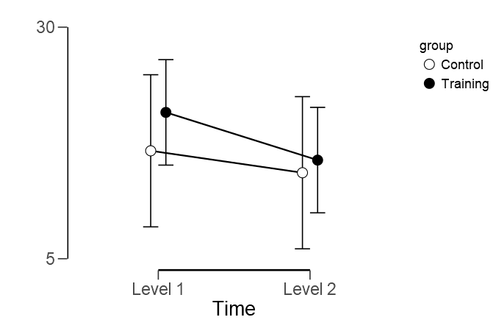
1LEC |  | Pre |  |  |  |  |  | Post
 |  | Trial 1 | Trial 2 | Trial 3 | Trial 4 | Mean Pre |  | Trial 1 | Trial 2 | Trial 3 | Trial 4 | Mean Post
A | Training | 5.63 | 11.17 | 7.35 | 6.93 | 7.77 |  |  | 9.01 | 9.79 | 11.48 | 10.093333333
B | Training | 9.62 | 47.29 | 23.05 | 24.94 | 26.225 |  | 7.31 | 6.44 | 2.11 | 1.81 | 4.4175
C | Training | 12.16 | 25.81 | 6.71 | 113.68 | 39.59 |  | 15.28 | 17.06 | 5.84 | 9.93 | 12.0275
D | Training | 20.09 |  | 36.71 |  | 28.4 |  | 11.99 | 14.98 | 20.84 | 15.16 | 15.7425
E | Training | 8.79 | 10.86 | 6.11 | 13.01 | 9.6925 |  | 5.8 | 6.78 | 7.04 | 6.95 | 6.6425
F | Training | 24.81 | 10.94 | 24.87 | 13.72 | 18.585 |  | 8.9 | 18.19 | 7.37 | 11 | 11.365
G | Training | 5.17 | 5.37 | 12.41 | 12.94 | 8.9725 |  | 10.35 | 5.87 | 17.94 | 4.25 | 9.6025
H | Training | 10.79 | 13.96 | 14.34 | 6.16 | 11.3125 |  | 20.39 | 34.69 |  | 45.26 | 33.446666667
I | Training | 38.11 | 40.67 | 19.48 | 18.19 | 29.1125 |  | 47.41 | 26.33 | 15.9 | 10 | 24.91
J | Training | 38.45 | 21.35 | 29.66 | 15.94 | 26.35 |  | 11.77 | 20.65 | 24.02 | 10.13 | 16.6425
K | Training | 15.66 | 8.5 | 109.05 | 12.9 | 36.5275 |  | 117.66 | 13.53 | 14.41 | 12.12 | 39.43
L | Training | 7.57 | 4.87 | 11.94 | 3.96 | 7.085 |  | 3.58 | 3.56 | 3.5 | 3.14 | 3.445

 | Mean | 16.404166667 | 18.253636364 | 25.14 | 22.033636364 | 20.801875 |  | 23.676363636 | 14.7575 | 11.705454545 | 11.769166667 | 15.647083333
 | SD | 11.738913887 | 14.245355224 | 28.127764995 | 30.956126138 | 11.691397047 |  | 33.381222348 | 9.316727015 | 7.3273711024 | 11.267576539 | 11.37840668

 |  | Pre |  |  |  |  |  | Post
 |  | Trial 1 | Trial 2 | Trial 3 | Trial 4 | Mean Pre |  | Trial 1 | Trial 2 | Trial 3 | Trial 4 | Mean Post
M | Control | 10.8 | 6.46 | 9.4 | 2.08 | 7.185 |  | 6.46 | 7.07 | 12.49 | 6.84 | 8.215
N | Control | 7.26 | 5.35 | 6.09 | 13.57 | 8.0675 |  | 18.23 | 10.28 | 7.44 | 5.84 | 10.4475
O | Control | 11.57 | 5.16 | 7.56 | 15.19 | 9.87 |  | 8.62 | 13.71 | 14.49 | 8.14 | 11.24
P | Control | 8.99 | 5.1 | 22.82 | 26.01 | 15.73 |  | 7.92 | 14.29 | 182.04 | 11.69 | 53.985
Q | Control | 21.21 |  | 7.65 | 52.5 | 27.12 |  | 24.09 | 6.36 | 14.18 | 20.65 | 16.32
R | Control | 5.88 | 7.15 | 7.34 | 4.48 | 6.2125 |  | 8.08 | 7.44 | 9.66 | 3.25 | 7.1075
S | Control | 6.69 | 6.79 | 9.9 | 4.06 | 6.86 |  | 4.12 | 5.19 | 5.98 | 3.67 | 4.74
T | Control | 8.41 | 4.65 | 7.65 | 4.8 | 6.3775 |  | 6.3 | 5.58 | 11.02 | 6.07 | 7.2425
U | Control | 16.46 | 12.96 | 10.78 | 34.08 | 18.57 |  | 34.22 | 28.06 | 18.9 | 6.87 | 22.0125
V | Control | 13.53 | 17.58 | 6.55 | 39.91 | 19.3925 |  | 13.58 | 10.4 | 9.88 | 9.93 | 10.9475
W | Control | 5.77 | 8.14 | 9.81 | 17.56 | 10.32 |  | 6.69 | 8.93 | 6.28 | 17.15 | 9.7625
X | Control | 187.07 | 108.21 | 7.31 | 14.92 | 79.3775 |  | 21.58 | 19.28 | 18.67 | 15.95 | 18.87
Y | Control | 4.78 | 12.02 | 9.08 | 6.17 | 8.0125 |  | 6.71 | 11.11 | 7.02 | 11.55 | 9.0975
Z | Control | 14.79 | 8.87 | 6.8 | 9.72 | 10.045 |  | 5.14 | 12.21 | 9.06 | 13.53 | 9.985

 | Mean | 23.086428571 | 16.033846154 | 9.1957142857 | 17.503571429 | 16.652857143 |  | 12.267142857 | 11.422142857 | 23.365 | 10.080714286 | 14.28375
 | SD | 47.431127009 | 27.951718653 | 4.1685446903 | 15.292238155 | 19.083297516 |  | 8.9611816087 | 6.1687514989 | 45.861610182 | 5.2565321477 | 12.375606968

 | Repeated Measures ANOVA

 | Within Subjects Effects
 |  |  | Sum of Squares |  | df |  | Mean Square |  | F |  | p |  | η²
 | Time |  | 182.89 |  | 1 |  | 182.89 |  | 1.249 |  | 0.275 |  | 0.049
 | Time ✻ group |  | 25.07 |  | 1 |  | 25.07 |  | 0.171 |  | 0.683 |  | 0.007
 | Residual |  | 3514.65 |  | 24 |  | 146.44

 | Note. Type III Sum of Squares

 | Between Subjects Effects
 |  |  | Sum of Squares |  | df |  | Mean Square |  | F |  | p |  | η²
 | group |  | 98.17 |  | 1 |  | 98.17 |  | 0.384 |  | 0.541 |  | 0.016
 | Residual |  | 6138.34 |  | 24 |  | 255.76

 | Note. Type III Sum of Squares

 | Descriptives

 | Descriptives Plot

1LEO
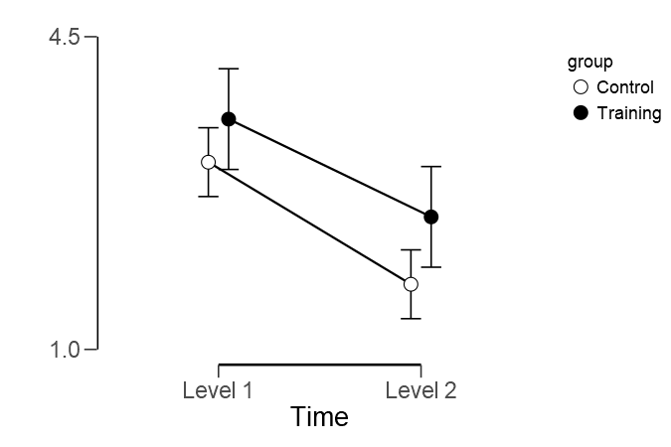
1LEO |  | Pre |  |  |  |  |  | Post
 |  | Trial 1 | Trial 2 | Trial 3 | Trial 4 | Mean Pre |  | Trial 1 | Trial 2 | Trial 3 | Trial 4 | Mean Post
A | Training | 1.81 | 3.06 | 2.79 | 1.19 | 2.2125 |  | 3.55 | 0.8 | 2.15 | 1.33 | 1.9575
B | Training | 3.94 | 2.54 | 5.28 | 5.24 | 4.25 |  |  |  | 9.53 | 16.95 | #NAME?
C | Training | 1.51 | 3.07 | 2.29 | 1.98 | 2.2125 |  | 0.92 | 2.56 | 0.35 | 1.72 | 1.3875
D | Training | 2.51 | 2.8 | 2.4 |  | 2.57 |  | 3.42 | 1.13 | 3.37 | 2.42 | 2.585
E | Training | 1.21 | 2.56 | 4.67 | 2.68 | 2.78 |  | 1.4 | 1.02 | 1.01 | 0.66 | 1.0225
F | Training | 2.89 | 2.61 | 3.87 | 3.5 | 3.2175 |  | 2.33 | 4.99 | 1.86 | 2.89 | 3.0175
G | Training | 1.46 | 2.92 | 1.43 | 5.66 | 2.8675 |  | 2 | 1.98 | 2.62 | 1 | 1.9
H | Training | 1.6 | 10.63 | 2.88 | 5.05 | 5.04 |  | 3.51 | 2.5 | 2.47 | 2.88 | 2.84
I | Training | 3.9 | 2.78 | 7.89 | 5.54 | 5.0275 |  | 4.28 | 1.69 | 1.04 | 2.38 | 2.3475
J | Training | 4.52 | 3.08 | 6.29 | 8.64 | 5.6325 |  | 0.9 | 1.91 | 2.73 | 1.63 | 1.7925
K | Training | 5.74 | 6.95 | 4.52 | 3.87 | 5.27 |  | 2.96 | 2.87 | 9.94 | 4.15 | 4.98
L | Training | 2.05 | 2.24 | 1.83 | 1.29 | 1.8525 |  | 2.04 | 2.02 | 0.81 | 2 | 1.7175

 | Mean | 2.7616666667 | 3.77 | 3.845 | 4.0581818182 | 3.5777083333 |  | 2.4827272727 | 2.1336363636 | 3.1566666667 | 3.3341666667 | #NAME?
 | SD | 1.4509108947 | 2.4853973525 | 1.9535259498 | 2.2492123874 | 1.3740477936 |  | 1.1446666843 | 1.1544026397 | 3.2020940118 | 4.39123188 | #NAME?

 |  | Pre |  |  |  |  |  | Post
 |  | Trial 1 | Trial 2 | Trial 3 | Trial 4 | Mean Pre |  | Trial 1 | Trial 2 | Trial 3 | Trial 4 | Mean Post
M | Control | 3.99 | 2.66 | 1.52 | 2.08 | 2.5625 |  | 1.39 | 1.98 | 1.3 | 2.4 | 1.7675
N | Control | 2.9 | 2.26 | 4.08 | 2.22 | 2.865 |  | 2.43 | 3.35 | 1.21 | 0.97 | 1.99
O | Control | 1.82 | 1.61 | 2.17 | 1.96 | 1.89 |  | 1.52 | 1.94 | 3.25 | 2.24 | 2.2375
P | Control | 5.57 | 3.37 | 0.87 | 1.39 | 2.8 |  | 1 | 1.81 | 2.25 | 1.37 | 1.6075
Q | Control | 3.9 | 2.78 | 7.89 | 5.54 | 5.0275 |  | 3.23 | 2.51 | 2.81 | 2.25 | 2.7
R | Control | 1.41 | 1.49 | 2 | 1.39 | 1.5725 |  | 1.4 | 1.57 | 0.78 | 1.14 | 1.2225
S | Control | 2.27 | 2.02 | 1.13 | 3.2 | 2.155 |  | 1.37 | 1.18 | 0.69 | 0.65 | 0.9725
T | Control | 1.59 | 1.29 | 0.96 | 2.05 | 1.4725 |  | 0.58 | 0.99 | 0.47 | 0.29 | 0.5825
U | Control | 3.87 | 3.94 | 1.92 | 5.88 | 3.9025 |  | 1.2 | 2.55 | 1.88 | 4.22 | 2.4625
V | Control | 1.53 | 2.7 | 2.72 | 2.49 | 2.36 |  | 3.81 | 0.92 | 2.63 | 1.6 | 2.24
W | Control | 2.12 | 2.06 | 1.61 | 1.6 | 1.8475 |  | 2.05 | 1.53 | 0.76 | 1.55 | 1.4725
X | Control | 6.15 | 7.95 | 2.3 | 3.95 | 5.0875 |  | 1.08 | 1.39 | 1.97 | 3.71 | 2.0375
Y | Control | 3.56 | 3.5 | 4.61 | 3.78 | 3.8625 |  | 0.7 | 1.33 | 1.77 | 2.44 | 1.56
Z | Control | 4.08 | 3.2 | 5.03 | 3.12 | 3.8575 |  | 1.11 | 2.03 | 1.48 | 1.9 | 1.63

 | Mean | 3.1971428571 | 2.9164285714 | 2.7721428571 | 2.9035714286 | 2.9473214286 |  | 1.6335714286 | 1.7914285714 | 1.6607142857 | 1.9092857143 | 1.74875
 | SD | 1.5037666992 | 1.6524369284 | 1.9769097041 | 1.441802329 | 1.2098285258 |  | 0.9381209299 | 0.67383925432 | 0.85943151413 | 1.0928963938 | 0.58323266073

 | Repeated Measures ANOVA

 | Within Subjects Effects
 |  |  | Sum of Squares |  | df |  | Mean Square |  | F |  | p |  | η²
 | Time |  | 16.989 |  | 1 |  | 16.989 |  | 27.497 |  | < .001 |  | 0.533
 | Time ✻ group |  | 0.035 |  | 1 |  | 0.035 |  | 0.057 |  | 0.814 |  | 0.001
 | Residual |  | 14.828 |  | 24 |  | 0.618

 | Note. Type III Sum of Squares

 | Between Subjects Effects
 |  |  | Sum of Squares |  | df |  | Mean Square |  | F |  | p |  | η²
 | group |  | 6.018 |  | 1 |  | 6.018 |  | 3.267 |  | 0.083 |  | 0.12
 | Residual |  | 44.201 |  | 24 |  | 1.842

 | Note. Type III Sum of Squares

 | Descriptives

 | Descriptives Plot

TBAP
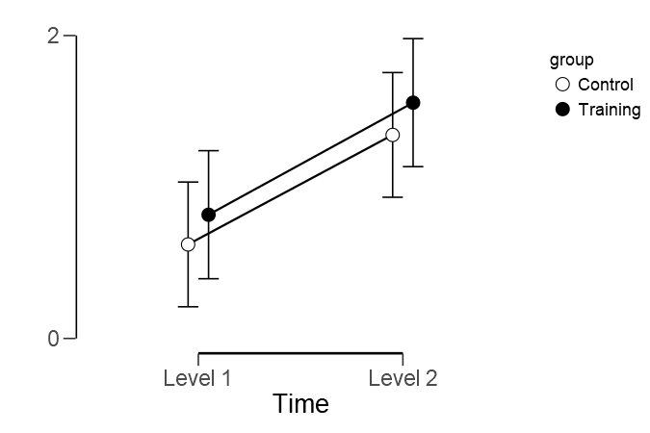
TBAP |  | Pre |  |  |  |  | Post
 |  | Trial 1 | Trial 2 | Trial 3 | Trial 4 | Mean Pre | Trial 1 | Trial 2 | Trial 3 | Trial 4 | Mean Post
A | Training | 3.235 | 0 | 1.755 | 3.54 | 2.1325 | 1.93 | 3.645 | 3.225 | 4.045 | 3.21125
B | Training | 0.12 | 0.525 | 0 | 0 | 0.16125 | 0.015 | 0.01 | 0.01 | 0.005 | 0.01
C | Training | 0.19 | 0 | 0.615 | 0.055 | 0.215 | 1.465 | 1.6 | 1.29 | 3.96 | 2.07875
D | Training | 0.295 | 0.95 | 1.465 | 2.525 | 1.30875 | 1.095 | 1.005 | 1.875 | 1.985 | 1.49
E | Training | 0 | 0.655 | 0.325 | 1.14 | 0.53 | 2.06 | 5.395 | 2.765 | 1.9 | 3.03
F | Training | 1.55 | 0 | 0.485 | 0.54 | 0.64375 | 2.58 | 0.35 | 1.09 | 1.455 | 1.36875
G | Training | 0.235 | 0.135 | 0.215 | 0 | 0.14625 | 1.765 | 0.555 | 1.655 | 2.155 | 1.5325
H | Training | 0.055 | 0.14 | 0.09 |  | 0.095 | 1.035 | 1.05 | 0.74 | 0.865 | 0.9225
I | Training | 0.55 | 1.79 | 0.655 | 0.88 | 0.96875 | 1.525 | 0.675 | 0 | 0.885 | 0.77125
J | Training | 0.23 | 1.45 | 1.53 | 1.185 | 1.09875 | 1.85 | 0 | 3.26 | 3.93 | 2.26
K | Training | 0.16 | 1.525 | 0.095 | 0.99 | 0.6925 | 0.545 | 1.245 | 0.98 | 1.43 | 1.05
L | Training | 0 | 1.865 | 1.4 | 3.975 | 1.81 | 1.58 | 1.31 | 0.345 | 0.6 | 0.95875

 | Mean | 0.55166666667 | 0.75291666667 | 0.71916666667 | 1.3481818182 | 0.816875 | 1.45375 | 1.4033333333 | 1.43625 | 1.9345833333 | 1.5569791667
 | SD | 0.94351695397 | 0.73563966702 | 0.64188583427 | 1.3952513622 | 0.67097653986 | 0.69659602549 | 1.5835752606 | 1.1541882724 | 1.3759235879 | 0.94105288265

 |  | Pre |  |  |  |  | Post
 |  | Trial 1 | Trial 2 | Trial 3 | Trial 4 | Mean Pre | Trial 1 | Trial 2 | Trial 3 | Trial 4 | Mean Post
M | Control | 0.12 | 0.525 | 0 | 0 | 0.16125 | 0.76 | 0.515 | 1.23 | 0.885 | 0.8475
N | Control | 0.11 | 0.17 | 0.18 | 0.18 | 0.16 | 1.72 | 1.675 | 0.815 | 2.19 | 1.6
O | Control | 0 | na | 0.155 | 0 | 0.051666666667 | 0.02 | 1.595 | 1.785 | 1.58 | 1.245
P | Control | 0.28 | 1.13 | 3.015 | 1.975 | 1.6 | 0.025 | 0 | 0.135 | 0.135 | 0.07375
Q | Control | 0.035 | 0.105 | 0 | 0.225 | 0.09125 | 1.85 | 0.965 | 0.16 | 0.99 | 0.99125
R | Control | 0 | 0 | 0.04 | 0.055 | 0.02375 | 0.475 | 1.43 | 0.68 | 1.48 | 1.01625
S | Control | 1.54 | 1.33 | 3.715 | 3.7 | 2.57125 | 0.345 | 2.7 | 2.48 | 2.48 | 2.00125
T | Control | 0 | 1.645 | 0.58 | 0.98 | 0.80125 | 1.295 | 0.715 | 1.25 | 3.235 | 1.62375
U | Control | 0.015 | 0.77 | 0 | 1.57 | 0.59 | 0.545 | 1.34 | 3.305 | 1.08 | 1.5675
V | Control | 0.47 | 0.41 | 1 | 0.93 | 0.7025 | 2.125 | 1.23 | 3.275 | 2.495 | 2.28125
W | Control | 0.325 | 0.935 | 2.82 | 1.605 | 1.42125 | 3.09 | 1.825 | 1.53 | 0.19 | 1.65875
X | Control | 0 | 0.19 | 0.47 | 1.15 | 0.4525 | 0.11 | 1.05 | 0 | 0.61 | 0.4425
Y | Control | 0 | 0.015 | 0.015 | 0.025 | 0.01375 | 1.445 | 6.64 | 1.48 | 1.445 | 2.7525
Z | Control | 0.02 | 0.07 | 0.105 | 0.01 | 0.05125 | 0.685 | 0 | 1.47 | 0.7 | 0.71375

 | Mean | 0.20821428571 | 0.56115384615 | 0.86392857143 | 0.88607142857 | 0.62083333333 | 1.035 | 1.5485714286 | 1.3996428571 | 1.3925 | 1.3439285714
 | SD | 0.41118312944 | 0.55152876113 | 1.3015141752 | 1.0696659769 | 0.7620591061 | 0.91626961098 | 1.6326104964 | 1.0560202218 | 0.92449310436 | 0.72847160488

Repeated Measures ANOVA

Within Subjects Effects
 |  | Sum of Squares |  | df |  | Mean Square | F |  | p |  | η²
Time |  | 6.917 |  | 1 |  | 6.917 | 14.46 |  | < .001 |  | 0.376
Time ✻ group |  | 9.347e -4 |  | 1 |  | 9.347e -4 | 0.002 |  | 0.965 |  | 0
Residual |  | 11.48 |  | 24 |  | 0.478

Note. Type III Sum of Squares

Between Subjects Effects
 |  | Sum of Squares |  | df |  | Mean Square | F |  | p |  | η²
group |  | 0.541 |  | 1 |  | 0.541 | 0.735 |  | 0.4 |  | 0.03
Residual |  | 17.662 |  | 24 |  | 0.736

Note. Type III Sum of Squares

Descriptives

Descriptives Plot

TBML
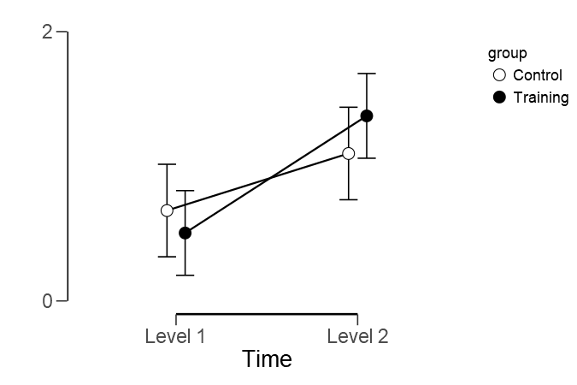
TBML |  | Pre |  |  |  |  |  | Post
 |  | Trial 1 | Trial 2 | Trial 3 | Trial 4 | Mean Pre |  | Trial 1 | Trial 2 | Trial 3 | Trial 4 | Mean Post
A | Training | 0.01 | 0.25 | 0.285 | 0.02 | 0.14125 |  | 0.42 | 2.19 | 2.545 | 1.825 | 1.745
B | Training | 0.66 | 0 | 0 | 0.24 | 0.225 |  | 1.21 | 1.405 | 0.97 | 0.265 | 0.9625
C | Training | 0.425 | 2.02 | 0.895 | 1.13 | 1.1175 |  | 1.905 | 2.36 | 1.255 | 1.535 | 1.76375
D | Training | 0.475 | 2.025 | 0 | 3.645 | 1.53625 |  | 0.95 | 0.565 | 2.545 | 3.095 | 1.78875
E | Training | 0 | 0.105 | 0.11 | 0.01 | 0.05625 |  | 0.16 | 0.395 | 0.1 | 0.645 | 0.325
F | Training | 0.03 | 0 | 0 | 0.01 | 0.01 |  | 0.64 | 0.74 | 0.45 | 1.605 | 0.85875
G | Training | 0 | 0 | 0 | 0.22 | 0.055 |  | 2.09 | 1.32 | 0.185 | 0.58 | 1.04375
H | Training | 0.095 | 0.04 | 0.115 | 1.42 | 0.4175 |  | 0.425 | 0.295 | 1.07 | 5.475 | 1.81625
I | Training | 0.045 | 0.09 | 0.02 | 0.05 | 0.05125 |  | 1.735 | 1.14 | 4.555 | 2.155 | 2.39625
J | Training | 0.315 | 0.745 | 0.705 | 0.5 | 0.56625 |  | 1.205 | 2.28 | 1.68 | 2.175 | 1.835
K | Training | 0.68 | 0 | 0.43 | 0.595 | 0.42625 |  | 0.295 | 0.85 | 0.47 | 0.78 | 0.59875
L | Training | 1.025 | 1.9 | 2.725 | 0.155 | 1.45125 |  | 1.115 | 3.25 | 0.66 | 0.405 | 1.3575

 | Mean | 0.31333333333 | 0.59791666667 | 0.44041666667 | 0.66625 | 0.50447916667 |  | 1.0125 | 1.3991666667 | 1.37375 | 1.7116666667 | 1.3742708333
 | SD | 0.34218770323 | 0.86019146477 | 0.77973905406 | 1.0440222155 | 0.55735843554 |  | 0.64993531147 | 0.92848809982 | 1.2948238297 | 1.4656558156 | 0.6149818591

 |  | Pre |  |  |  |  |  | Post
 |  | Trial 1 | Trial 2 | Trial 3 | Trial 4 | Mean Pre |  | Trial 1 | Trial 2 | Trial 3 | Trial 4 | Mean Post
M | Control | 0 | 0.03 | 0 | 0.015 | 0.01125 |  | 1.51 | 0.92 | 0.655 | 0.305 | 0.8475
N | Control | 0.585 | 0.75 | 0.385 | 0 | 0.43 |  | 2.88 | 0.675 | 3.145 | 1.4 | 2.025
O | Control | 0.03 | 0.115 | 0.175 | 0.405 | 0.18125 |  | 2.775 | 1.01 | 2.11 | 1.845 | 1.935
P | Control | 0.13 | 0.775 | 0.75 | 1.19 | 0.71125 |  | 0 | 0.09 | 0.135 | 0.135 | 0.09
Q | Control | 0.01 | 2.975 | 1.045 | 1.035 | 1.26625 |  | 0.31 | 1.26 | 2.16 | 0.475 | 1.05125
R | Control | 0 | 0 | 0 | 0.09 | 0.0225 |  | 0.065 | 0.54 | 0.335 | 0 | 0.235
S | Control | 1.155 | 2.565 | 2.9 | 1.145 | 1.94125 |  | 1.095 | 1.57 | 1.535 | 2.54 | 1.685
T | Control | 0.01 | 0.03 | 0 | 0.08 | 0.03 |  | 1.18 | 0.555 | 2.31 | 2.97 | 1.75375
U | Control | 0.27 | 0.37 | 0.39 | 0.195 | 0.30625 |  | 1.28 | 0 | 1.285 | 1.71 | 1.06875
V | Control | 0.065 | 0.02 | 0.02 | 0.31 | 0.10375 |  | 0 | 0.045 | 0.26 | 0.49 | 0.19875
W | Control | 0.955 | 0.715 | 1.46 | 5.31 | 2.11 |  | 1.55 | 0.295 | 2.145 | 1.96 | 1.4875
X | Control | 0.895 | 2.63 | 1.695 | 1.07 | 1.5725 |  | 1.045 | 2.7 | 0.815 | 0.965 | 1.38125
Y | Control | 0.025 | 0.025 | 0.025 | 0.055 | 0.0325 |  | 0.4 | 2.895 | 0.95 | 5.825 | 2.5175
Z | Control | 1.14 | 0.545 | 0.595 | 0.265 | 0.63625 |  | 0.625 | 0.105 | 0.37 | 1.01 | 0.5275

 | Mean | 0.37642857143 | 0.82464285714 | 0.67428571429 | 0.7975 | 0.66821428571 |  | 1.0510714286 | 0.90428571429 | 1.3007142857 | 1.545 | 1.2002678571
 | SD | 0.46416769421 | 1.0724010879 | 0.84988202155 | 1.3762096078 | 0.74838989258 |  | 0.92752395485 | 0.93253966124 | 0.94453866872 | 1.5302790093 | 0.7542555835

 | Repeated Measures ANOVA

 | Within Subjects Effects
 |  |  | Sum of Squares |  | df |  | Mean Square |  | F |  | p |  | η²
 | Time |  | 6.349 |  | 1 |  | 6.349 |  | 16.505 |  | < .001 |  | 0.398
 | Time ✻ group |  | 0.369 |  | 1 |  | 0.369 |  | 0.958 |  | 0.337 |  | 0.023
 | Residual |  | 9.232 |  | 24 |  | 0.385

 | Note. Type III Sum of Squares

 | Between Subjects Effects
 |  |  | Sum of Squares |  | df |  | Mean Square |  | F |  | p |  | η²
 | group |  | 3.406e -4 |  | 1 |  | 3.406e -4 |  | 6.278e -4 |  | 0.98 |  | 0
 | Residual |  | 13.022 |  | 24 |  | 0.543

 | Note. Type III Sum of Squares

 | Descriptives

 | Descriptives Plot

