Table_S1 (HC_on_nanoSIMS_Data)
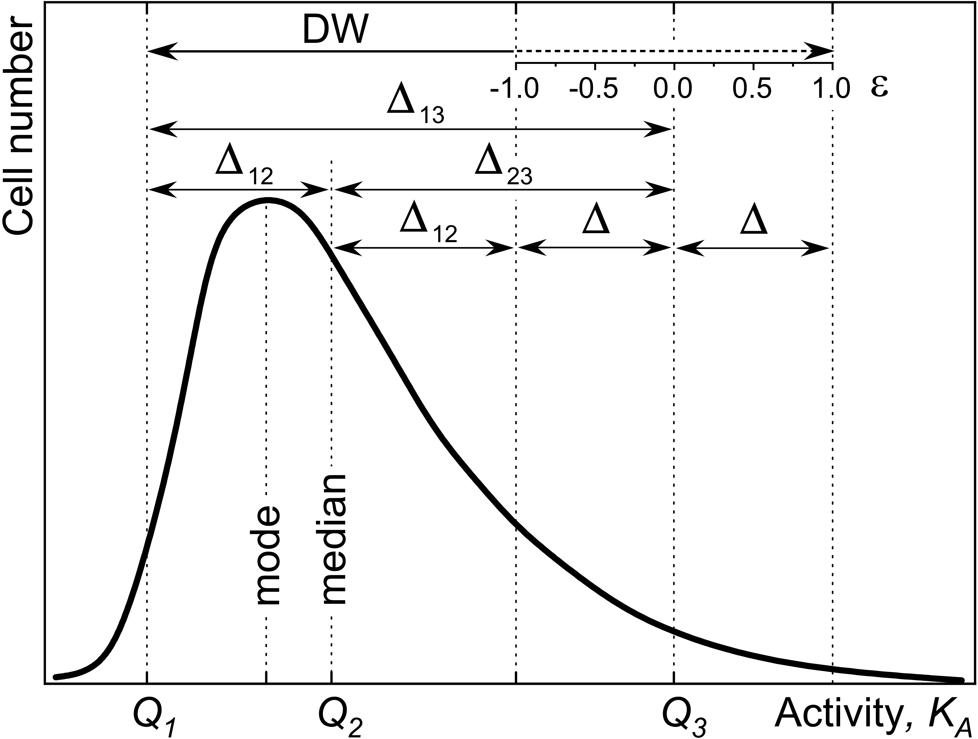
Supplementary Table_S1: Calculation of HC on nanoSIMS-data

Step 1 of 4 : input of nanoSIMS data with isotope ratio statistics |  |  |  |  |  |  |  |  | Step 2 of 4 : input of cellular density and inc. time |  |  |  |  |  |  |  |  |  |  | Step 3 of 4 : Correction for isotope dilition with fixatives etc. |  |  |  |  |  |  | Step 4 of 4 : Calculation of fraction (Ka) of assimilated material
 |  |  |  |  |  |  |  |  |  |  |  |  |  |  |  |  |  |  |  |  |  |  |  |  |  |  |  | Heterogeneity quantitation |  |  |  |  | Rf_med | 0.05065 | Df_med | 0.04821
1.1. Import the nano-SIMS data with isotope ratio statistics |  |  |  |  |  |  |  |  | 2.1. Specify the element-specific cellular density (Ro) with its error dRo |  |  |  |  |  |  |  |  |  |  | 3.1. Specify the fraction of heavy isotope (Dch) in chemicals used for threatment |  |  |  |  |  |  | 4.1. Specify the isotope fractionation factor (alpha) or set to "1" if unknown |  |  |  |  |  | CSV_Rf | 0.00194 | CSV_Df | 0.00193
1.2. Specify the size of analyzed Field of View (FoV) |  |  |  |  |  |  |  |  | 2.2. Specify the incubation time (t) with ist error dt |  |  |  |  |  |  |  |  |  |  | 3.2. Specify the fraction (Ki) of carbon introduced during the treatment. Ki=0 for nitrogen |  |  |  |  |  |  | 4.2. Specify the fraction of heavy isotope (Dmed) measured for medium solution |  |  |  | e [1;-1] | 0 | N_heavy | 723 | CSE_heavy | 27
1.3. Specify the raster size in pixels |  |  |  |  |  |  |  |  |  |  |  |  |  |  |  |  |  |  |  |  | Ki - fraction of introduced carbon relatively to ist initial cellular content |  |  |  |  |  | 4.3. Specify the initial fraction of heavy isotope in inoculum cells |  |  |  | N | 15000 | N_light | 14277 | CSE_light | 119
 |  |  |  |  |  |  |  |  |  |  |  |  |  |  |  |  |  |  |  |  |  |  |  |  |  |  | 4.4. Specify the number N of pixel-avaraged ion counts with heavy and light isotopes |  |  |  |  |  | CSV_Ka | 0.01440
 |  | Attention! |  |  |  |  |  |  |  |  |  |  |  |  |  |  |  |  |  |  |  |  |  |  |  |  |  |  |  |  | a | 1.000 | CSH(CSV_Ka) | 0.05874
 |  | ONLY GREEN fields are to be modified |  |  |  |  |  |  |  |  |  |  |  |  |  |  |  |  |  |  |  |  |  |  |  |  |  |  |  |  | da | 0.0001
 |  |  |  |  |  |  |  |  |  |  |  |  |  | Fc mean | dFc | Fv mean | dFv
 |  |  |  |  |  |  |  |  | Ro [fg/µm³] | 1,269.00 |  |  |  | 98.547 | 114.123 | 310.315 | 301.881 |  |  |  |  |  | Dch | 0.0107 |  |  |  |  |  |  | Dgs | 0.2000 | Rgs | 0.25000
 |  |  |  |  |  |  |  |  | dRo | 216.00 |  |  |  |  |  | CH(16;84;SK) | 0.97856 |  |  |  |  |  | dDch | 0.001 | Df mean | dDf | KA mean | dKA : sigma | CV | HC(16-84) | dDgs | 0.0050 | dRgs | 0.00977
 |  |  |  |  |  |  |  |  |  |  |  |  |  | Fc median | 77.524 | Fv median | 311.088 |  |  |  |  |  |  |  | 0.04299 | 0.02740 | 0.2445 | 0.23789 | 0.97282 | 0.98215
 | FoV [µm] | 20 |  |  |  |  |  |  | t [hours] | 1.00 |  |  |  | Assimilation rate |  |  |  |  |  |  |  |  | Ki | 0.044 |  |  | HC(16-84;Sk) | dHC(16-84;Sk) | HCcorr(CSE) | dHCcorr(16-84;Sk) | Di | 0.0110 | Ri | 0.01112
 | Rst [px] | 512 |  |  |  |  |  |  | dt | 0.05 |  |  |  | [fg / cell / hour] |  | [fg / µm³ / hour] |  | D' mean | dD' | Rf mean | dRf |  | dKi | 0.004 | Df median | dDf median | 0.98215 | 0.08783 | 0.97992 | 0.08785 | dDi | 0.0010 | dRi | 0.00103
 |  |  |  |  |  |  |  |  |  |  |  |  |  |  |  | dFv median | 304.418 | 0.0416 | 0.0001 | 0.0458 | 0.0002 |  |  |  | 0.04821 | 0.02467 | KA median | 0,5*DW(Sk) | dKA_Ri | dKA_Rf | dKA_Rgs | dKA_a | CSV_KA | Med dKA | 0.01236 | dQi(CSV) | Rf | Nheavy | Nlight | CSE_heavy | CSE_light | CSV_Rf | dHC/dQi
The values used for the calculation |  |  | R' | dR' |  |  | Sp | LWR | L | W | V | mi | ui | Fc | dFc | Fv | dFv |  |  |  |  |  |  |  |  |  | 0.24514 | 0.23989 | 0.00666 | 0.00142 | 0.01009 | 0.00003 | 0.01440 | Q_0.16 | 0.00526 | 0.00417 | 0.01017 | 145.00000 | 14849 | 12 | 122 | 0.00081 | -2.0396178881
12C14N/13C14N |  |  |  |  |  |  |  |  | [µm] | [µm] | [µm³] | [fg]/cell | [fg] assim | [fg/(h·cell)] | [fg/(h·cell)] | [fg/(h·µm³)] | [fg/(h·µm³)] | D' | dD' | Rf | dRf | dRf/dR' | dRf/dK | dRf/dDch | Df | dDf |  |  |  |  |  |  |  | Q_0.5 | 0.24514 | 0.01440 | 0.05065 | 723.00000 | 14277 | 27 | 119 | 0.00194 | -4.0064411469
# i | Xi | Yi | MEANi | Poiss_Ei | Poiss_%Ei | SIZEi | PIXELSi | LWratio |  |  |  |  |  |  |  |  |  |  |  |  |  |  |  |  |  |  | KA | dKA | dKA/dRi | dKA/dRf | dKA/dRgs | dKA/da | Abs(KA-KAmed) | Q_0.84 | 0.48679 | 0.03220 | 0.09143 | 1305.00000 | 13743 | 36 | 117 | 0.00274 | 2.0396178881
1.00 | 6.67 | 352.67 | 0.01802 | 0.00010 | 0.54 | 0.58 | 174.00 | 1.980 | 0.77 | 0.388 | 0.08 | 95.72 | 3.69 | 3.686 | 0.855 | 48.873 | 11.329 | 0.01770 | 0.00009 | 0.01834 | 0.00012 | 1.04466 | 0.00726 | -0.04563 | 0.01801 | 0.00011 | 0.03851 | 0.0057 | -5.3746 | 5.5027 | -0.1354 | -0.0339 | 0.206631 | Q_0.1 | 0.00339
2.00 | 12.71 | 327.24 | 0.05393 | 0.00011 | 0.20 | 0.95 | 461.00 | 1.690 | 1.17 | 0.69 | 0.35 | 445.14 | 126.99 | 126.991 | 23.380 | 362.029 | 66.652 | 0.05117 | 0.00010 | 0.05591 | 0.00022 | 1.04793 | 0.04512 | -0.04906 | 0.05295 | 0.00020 | 0.2853 | 0.0140 | -6.6517 | 7.8394 | -1.2417 | -0.3104 | 0.040143 | Q_0.9 | 0.52125 |  |  |  |  |  |  |  | dHCcorr/dQi
3.00 | 16.34 | 364.14 | 0.02569 | 0.00012 | 0.45 | 0.58 | 175.00 | 1.510 | 0.69 | 0.45 | 0.09 | 109.76 | 9.24 | 9.242 | 1.792 | 106.849 | 20.720 | 0.02505 | 0.00011 | 0.02635 | 0.00014 | 1.04535 | 0.01511 | -0.04635 | 0.02568 | 0.00014 | 0.0842 | 0.0066 | -5.6110 | 5.9042 | -0.3091 | -0.0773 | 0.160945 | Q_0.84-Q_0.16 (d13) | 0.48154 |  |  |  |  |  |  |  | -2.0442697732
4.00 | 17.52 | 289.76 | 0.05936 | 0.00010 | 0.16 | 1.13 | 656.00 | 2.130 | 1.54 | 0.72 | 0.53 | 676.50 | 224.09 | 224.092 | 41.264 | 420.360 | 77.405 | 0.05603 | 0.00009 | 0.06160 | 0.00023 | 1.04843 | 0.05109 | -0.04959 | 0.05803 | 0.00021 | 0.3313 | 0.0163 | -6.8896 | 8.3202 | -1.4933 | -0.3733 | 0.086109 | Skewness | 0.00366 |  |  |  |  |  |  |  | -3.9973241976
5.00 | 26.91 | 354.38 | 0.05543 | 0.00011 | 0.20 | 0.88 | 396.00 | 1.970 | 1.16 | 0.59 | 0.26 | 329.44 | 98.08 | 98.077 | 18.056 | 377.795 | 69.554 | 0.05252 | 0.00010 | 0.05748 | 0.00023 | 1.04807 | 0.04676 | -0.04920 | 0.05436 | 0.00020 | 0.2977 | 0.0147 | -6.7160 | 7.9680 | -1.3082 | -0.3271 | 0.052567 | Q_0.84-Q_0.16 : d (d13corr_CSE) | 0.48044 |  |  |  |  |  |  |  | 2.0442697732
6.00 | 46.20 | 89.62 | 0.03422 | 0.00008 | 0.23 | 1.02 | 531.00 | 1.720 | 1.26 | 0.73 | 0.43 | 545.72 | 75.88 | 75.884 | 14.166 | 176.459 | 32.942 | 0.03309 | 0.00007 | 0.03527 | 0.00014 | 1.04613 | 0.02400 | -0.04716 | 0.03407 | 0.00013 | 0.1391 | 0.0081 | -5.8949 | 6.4049 | -0.5363 | -0.1341 | 0.106090 | 0,5*(1+e*abs(Sk)) | 0.50000
50.00 | 324.95 | 11.40 | 0.08003 | 0.00014 | 0.17 | 0.79 | 320.00 | 1.370 | 0.89 | 0.65 | 0.22 | 283.86 | 151.92 | 151.921 | 28.148 | 679.175 | 125.839 | 0.07410 | 0.00012 | 0.08329 | 0.00034 | 1.05032 | 0.07440 | -0.05164 | 0.07689 | 0.00029 | 0.5352 | 0.0286 | -7.9451 | 10.6262 | -2.7823 | -0.6956 | 0.290061 | Heterogeneity index (min;max) | 2.00210
49.00 | 322.60 | 63.37 | 0.02347 | 0.00010 | 0.45 | 0.61 | 193.00 | 2.580 | 0.91 | 0.35 | 0.08 | 98.37 | 6.95 | 6.949 | 1.379 | 89.642 | 17.796 | 0.02293 | 0.00010 | 0.02403 | 0.00013 | 1.04515 | 0.01283 | -0.04614 | 0.02347 | 0.00012 | 0.0706 | 0.0063 | -5.5408 | 5.7836 | -0.2561 | -0.0640 | 0.174504 | Heterogeneity index (16;84) | 0.98215
9.00 | 64.71 | 256.49 | 0.05221 | 0.00011 | 0.21 | 0.93 | 445.00 | 1.790 | 1.18 | 0.66 | 0.32 | 410.82 | 111.45 | 111.449 | 20.521 | 344.264 | 63.390 | 0.04962 | 0.00010 | 0.05411 | 0.00021 | 1.04777 | 0.04325 | -0.04889 | 0.05133 | 0.00019 | 0.2713 | 0.0134 | -6.5792 | 7.6958 | -1.1679 | -0.2920 | 0.026144
47.00 | 304.49 | 36.14 | 0.05320 | 0.00010 | 0.20 | 0.90 | 415.00 | 1.990 | 1.19 | 0.60 | 0.28 | 351.72 | 98.24 | 98.240 | 18.087 | 354.448 | 65.259 | 0.05051 | 0.00009 | 0.05515 | 0.00021 | 1.04786 | 0.04432 | -0.04899 | 0.05226 | 0.00019 | 0.2793 | 0.0138 | -6.6208 | 7.7780 | -1.2100 | -0.3025 | 0.034169 | COD(MAD;Q2) | 0.92134
46.00 | 303.19 | 119.93 | 0.05038 | 0.00010 | 0.21 | 0.92 | 438.00 | 1.830 | 1.18 | 0.64 | 0.31 | 396.96 | 101.89 | 101.890 | 18.766 | 325.721 | 59.990 | 0.04796 | 0.00009 | 0.05219 | 0.00020 | 1.04761 | 0.04125 | -0.04871 | 0.04960 | 0.00018 | 0.2567 | 0.0127 | -6.5036 | 7.5474 | -1.0923 | -0.2731 | 0.011532 | RCV(MAD;Q2;k) | 1.36598 | k=0,67449
45.00 | 282.32 | 73.27 | 0.10100 | 0.00013 | 0.13 | 1.02 | 530.00 | 2.190 | 1.40 | 0.64 | 0.38 | 484.73 | 390.28 | 390.284 | 73.260 | 1021.752 | 191.793 | 0.09173 | 0.00011 | 0.10534 | 0.00042 | 1.05225 | 0.09901 | -0.05376 | 0.09530 | 0.00035 | 0.8052 | 0.0494 | -9.3422 | 14.1117 | -4.9217 | -1.2304 | 0.560019 | CV(Mean;SD) | 0.97282
44.00 | 279.59 | 5.46 | 0.07029 | 0.00019 | 0.26 | 0.59 | 177.00 | 1.600 | 0.71 | 0.44 | 0.09 | 108.67 | 47.03 | 47.033 | 8.683 | 549.253 | 101.398 | 0.06567 | 0.00016 | 0.07307 | 0.00032 | 1.04943 | 0.06330 | -0.05066 | 0.06809 | 0.00028 | 0.4328 | 0.0221 | -7.4152 | 9.4334 | -2.1000 | -0.5250 | 0.187680 | Heterogeneity index (10;90) | 1.05625
14.00 | 118.59 | 491.77 | 0.02265 | 0.00011 | 0.50 | 0.64 | 208.00 | 2.690 | 0.96 | 0.36 | 0.08 | 107.83 | 7.08 | 7.085 | 1.424 | 83.376 | 16.755 | 0.02215 | 0.00011 | 0.02318 | 0.00014 | 1.04508 | 0.01199 | -0.04606 | 0.02265 | 0.00013 | 0.0657 | 0.0062 | -5.5153 | 5.7399 | -0.2371 | -0.0593 | 0.179442 | Heterogeneity index (25;75) | 0.87691
15.00 | 120.75 | 158.76 | 0.01364 | 0.00008 | 0.57 | 0.68 | 238.00 | 1.900 | 0.88 | 0.46 | 0.12 | 156.18 | 2.16 | 2.160 | 0.936 | 17.547 | 7.603 | 0.01346 | 0.00008 | 0.01376 | 0.00009 | 1.04426 | 0.00283 | -0.04522 | 0.01358 | 0.00009 | 0.0138 | 0.0055 | -5.2468 | 5.2917 | -0.0475 | -0.0119 | 0.231317
39.00 | 247.46 | 93.76 | 0.05974 | 0.00009 | 0.16 | 1.06 | 582.00 | 2.010 | 1.41 | 0.70 | 0.46 | 581.33 | 194.50 | 194.498 | 35.816 | 424.576 | 78.184 | 0.05637 | 0.00008 | 0.06200 | 0.00023 | 1.04846 | 0.05151 | -0.04963 | 0.05838 | 0.00021 | 0.3346 | 0.0165 | -6.9068 | 8.3555 | -1.5120 | -0.3780 | 0.089431 | Q_0.25 | 0.01325
17.00 | 146.01 | 185.11 | 0.11000 | 0.00014 | 0.13 | 0.99 | 506.00 | 1.920 | 1.29 | 0.67 | 0.38 | 481.73 | 456.79 | 456.790 | 86.438 | 1203.299 | 227.698 | 0.09910 | 0.00012 | 0.11481 | 0.00047 | 1.05307 | 0.10986 | -0.05468 | 0.10299 | 0.00038 | 0.9482 | 0.0624 | -10.0825 | 16.1589 | -6.2556 | -1.5639 | 0.703082 | Q_0.75 | 0.44318
18.00 | 150.94 | 349.47 | 0.01453 | 0.00013 | 0.87 | 0.45 | 104.00 | 1.850 | 0.58 | 0.31 | 0.04 | 45.69 | 0.86 | 0.857 | 0.295 | 23.813 | 8.199 | 0.01432 | 0.00012 | 0.01469 | 0.00014 | 1.04434 | 0.00373 | -0.04530 | 0.01448 | 0.00014 | 0.0188 | 0.0055 | -5.2724 | 5.3335 | -0.0647 | -0.0162 | 0.226379 | CQD | 0.94195
19.00 | 154.69 | 313.82 | 0.05323 | 0.00011 | 0.20 | 0.91 | 424.00 | 1.850 | 1.16 | 0.63 | 0.30 | 376.13 | 105.15 | 105.149 | 19.360 | 354.759 | 65.317 | 0.05054 | 0.00010 | 0.05518 | 0.00022 | 1.04787 | 0.04436 | -0.04899 | 0.05229 | 0.00019 | 0.2796 | 0.0138 | -6.6220 | 7.7805 | -1.2113 | -0.3028 | 0.034414
20.00 | 157.62 | 421.98 | 0.05164 | 0.00009 | 0.17 | 1.04 | 556.00 | 2.110 | 1.41 | 0.67 | 0.42 | 530.27 | 141.43 | 141.427 | 26.042 | 338.449 | 62.320 | 0.04910 | 0.00008 | 0.05351 | 0.00020 | 1.04772 | 0.04262 | -0.04884 | 0.05079 | 0.00018 | 0.2667 | 0.0132 | -6.5555 | 7.6491 | -1.1440 | -0.2860 | 0.021562
21.00 | 164.68 | 212.25 | 0.11200 | 0.00015 | 0.14 | 0.93 | 448.00 | 1.860 | 1.20 | 0.64 | 0.32 | 407.46 | 400.45 | 400.453 | 75.933 | 1247.174 | 236.486 | 0.10072 | 0.00012 | 0.11692 | 0.00048 | 1.05326 | 0.11230 | -0.05489 | 0.10468 | 0.00039 | 0.9828 | 0.0658 | -10.2615 | 16.6745 | -6.5988 | -1.6497 | 0.737657
22.00 | 166.96 | 402.56 | 0.05136 | 0.00010 | 0.19 | 0.98 | 498.00 | 2.260 | 1.38 | 0.61 | 0.34 | 434.83 | 115.00 | 114.996 | 21.176 | 335.606 | 61.800 | 0.04885 | 0.00009 | 0.05322 | 0.00020 | 1.04769 | 0.04232 | -0.04881 | 0.05053 | 0.00018 | 0.2645 | 0.0131 | -6.5439 | 7.6263 | -1.1324 | -0.2831 | 0.019321
29.00 | 216.42 | 85.35 | 0.01522 | 0.00011 | 0.75 | 0.49 | 125.00 | 1.730 | 0.61 | 0.35 | 0.05 | 62.16 | 1.41 | 1.406 | 0.427 | 28.705 | 8.709 | 0.01499 | 0.00011 | 0.01541 | 0.00013 | 1.04440 | 0.00443 | -0.04537 | 0.01518 | 0.00012 | 0.0226 | 0.0056 | -5.2923 | 5.3664 | -0.0783 | -0.0196 | 0.222524
24.00 | 181.39 | 321.79 | 0.07869 | 0.00011 | 0.14 | 1.07 | 588.00 | 2.480 | 1.56 | 0.63 | 0.42 | 533.27 | 277.50 | 277.499 | 51.383 | 660.356 | 122.274 | 0.07295 | 0.00010 | 0.08189 | 0.00032 | 1.05020 | 0.07286 | -0.05150 | 0.07569 | 0.00027 | 0.5204 | 0.0276 | -7.8683 | 10.4490 | -2.6791 | -0.6698 | 0.275231
25.00 | 181.61 | 378.56 | 0.04879 | 0.00009 | 0.18 | 1.06 | 583.00 | 2.180 | 1.47 | 0.67 | 0.44 | 560.46 | 136.87 | 136.871 | 25.216 | 309.902 | 57.094 | 0.04652 | 0.00008 | 0.05053 | 0.00019 | 1.04746 | 0.03953 | -0.04856 | 0.04810 | 0.00017 | 0.2442 | 0.0121 | -6.4391 | 7.4218 | -1.0289 | -0.2572 | 0.000934
...

