plots
Symp |  |  |  |  |  |  |  |  |  |  |  | Symp%
series# | year | M | F | year | total | year | newM | newF | year | repeat M | repeat F | series# | year | %M | %F | year | %new M | %new F | year | %repeat M | %repeat F
1 | 1982 | 13 | 0 | 1982 | 13 | 1982 | 13 | 0 | 1982 | 0 | 0 | 1 | 1982 | 100% | 0% | 1982 | 100% | 0% | 1982 | 0% | 0%
2 | 1983 | 18 | 1 | 1983 | 19 | 1983 | 18 | 1 | 1983 | 0 | 0 | 2 | 1983 | 95% | 5% | 1983 | 95% | 5% | 1983 | 0% | 0%
3 | 1984 | 21 | 2 | 1984 | 23 | 1984 | 20 | 2 | 1984 | 1 | 0 | 3 | 1984 | 91% | 9% | 1984 | 87% | 9% | 1984 | 4% | 0%
4 | 1985 | 21 | 1 | 1985 | 22 | 1985 | 19 | 1 | 1985 | 2 | 0 | 4 | 1985 | 95% | 5% | 1985 | 86% | 5% | 1985 | 9% | 0%
5 | 1986 | 14 | 1 | 1986 | 15 | 1986 | 11 | 1 | 1986 | 3 | 0 | 5 | 1986 | 93% | 7% | 1986 | 73% | 7% | 1986 | 20% | 0%
6 | 1987 | 18 | 0 | 1987 | 18 | 1987 | 12 | 0 | 1987 | 6 | 0 | 6 | 1987 | 100% | 0% | 1987 | 67% | 0% | 1987 | 33% | 0%
7 | 1988 | 16 | 1 | 1988 | 17 | 1988 | 13 | 1 | 1988 | 3 | 0 | 7 | 1988 | 94% | 6% | 1988 | 76% | 6% | 1988 | 18% | 0%
8 | 1989 | 16 | 3 | 1989 | 19 | 1989 | 10 | 3 | 1989 | 6 | 0 | 8 | 1989 | 84% | 16% | 1989 | 53% | 16% | 1989 | 32% | 0%
9 | 1990 | 14 | 2 | 1990 | 16 | 1990 | 11 | 2 | 1990 | 3 | 0 | 9 | 1990 | 88% | 13% | 1990 | 69% | 13% | 1990 | 19% | 0%
10 | 1991 | 18 | 2 | 1991 | 20 | 1991 | 8 | 2 | 1991 | 10 | 0 | 10 | 1991 | 90% | 10% | 1991 | 40% | 10% | 1991 | 50% | 0%
11 | 1992 | 18 | 2 | 1992 | 20 | 1992 | 15 | 1 | 1992 | 3 | 1 | 11 | 1992 | 90% | 10% | 1992 | 75% | 5% | 1992 | 15% | 5%
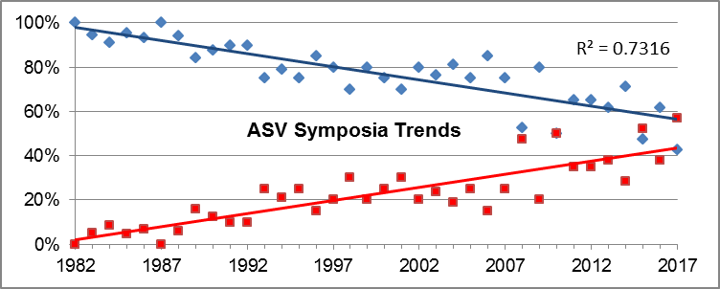
12 | 1993 | 15 | 5 | 1993 | 20 | 1993 | 6 | 4 | 1993 | 9 | 1 | 12 | 1993 | 75% | 25% | 1993 | 30% | 20% | 1993 | 45% | 5%
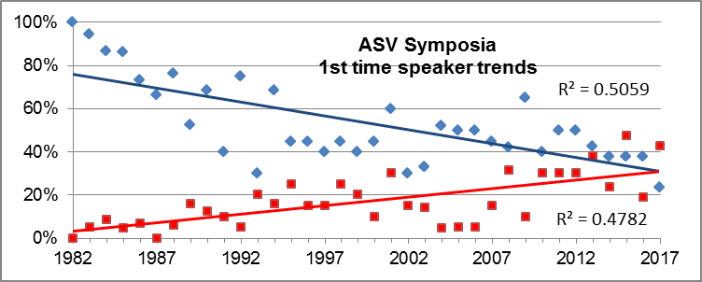
13 | 1994 | 15 | 4 | 1994 | 19 | 1994 | 13 | 3 | 1994 | 2 | 1 | 13 | 1994 | 79% | 21% | 1994 | 68% | 16% | 1994 | 11% | 5%
14 | 1995 | 15 | 5 | 1995 | 20 | 1995 | 9 | 5 | 1995 | 6 | 0 | 14 | 1995 | 75% | 25% | 1995 | 45% | 25% | 1995 | 30% | 0%
15 | 1996 | 17 | 3 | 1996 | 20 | 1996 | 9 | 3 | 1996 | 8 | 0 | 15 | 1996 | 85% | 15% | 1996 | 45% | 15% | 1996 | 40% | 0%
16 | 1997 | 16 | 4 | 1997 | 20 | 1997 | 8 | 3 | 1997 | 8 | 1 | 16 | 1997 | 80% | 20% | 1997 | 40% | 15% | 1997 | 40% | 5%
17 | 1998 | 14 | 6 | 1998 | 20 | 1998 | 9 | 5 | 1998 | 5 | 1 | 17 | 1998 | 70% | 30% | 1998 | 45% | 25% | 1998 | 25% | 5%
18 | 1999 | 16 | 4 | 1999 | 20 | 1999 | 8 | 4 | 1999 | 8 | 0 | 18 | 1999 | 80% | 20% | 1999 | 40% | 20% | 1999 | 40% | 0%
19 | 2000 | 15 | 5 | 2000 | 20 | 2000 | 9 | 2 | 2000 | 6 | 3 | 19 | 2000 | 75% | 25% | 2000 | 45% | 10% | 2000 | 30% | 15%
20 | 2001 | 14 | 6 | 2001 | 20 | 2001 | 12 | 6 | 2001 | 2 | 0 | 20 | 2001 | 70% | 30% | 2001 | 60% | 30% | 2001 | 10% | 0%
21 | 2002 | 16 | 4 | 2002 | 20 | 2002 | 6 | 3 | 2002 | 10 | 1 | 21 | 2002 | 80% | 20% | 2002 | 30% | 15% | 2002 | 50% | 5%
22 | 2003 | 16 | 5 | 2003 | 21 | 2003 | 7 | 3 | 2003 | 9 | 2 | 22 | 2003 | 76% | 24% | 2003 | 33% | 14% | 2003 | 43% | 10%
23 | 2004 | 17 | 4 | 2004 | 21 | 2004 | 11 | 1 | 2004 | 6 | 3 | 23 | 2004 | 81% | 19% | 2004 | 52% | 5% | 2004 | 29% | 14%
24 | 2005 | 15 | 5 | 2005 | 20 | 2005 | 10 | 1 | 2005 | 5 | 4 | 24 | 2005 | 75% | 25% | 2005 | 50% | 5% | 2005 | 25% | 20%
25 | 2006 | 17 | 3 | 2006 | 20 | 2006 | 10 | 1 | 2006 | 7 | 2 | 25 | 2006 | 85% | 15% | 2006 | 50% | 5% | 2006 | 35% | 10%
26 | 2007 | 15 | 5 | 2007 | 20 | 2007 | 9 | 3 | 2007 | 6 | 2 | 26 | 2007 | 75% | 25% | 2007 | 45% | 15% | 2007 | 30% | 10%
27 | 2008 | 10 | 9 | 2008 | 19 | 2008 | 8 | 6 | 2008 | 2 | 3 | 27 | 2008 | 53% | 47% | 2008 | 42% | 32% | 2008 | 11% | 16%
28 | 2009 | 16 | 4 | 2009 | 20 | 2009 | 13 | 2 | 2009 | 3 | 2 | 28 | 2009 | 80% | 20% | 2009 | 65% | 10% | 2009 | 15% | 10%
29 | 2010 | 10 | 10 | 2010 | 20 | 2010 | 8 | 6 | 2010 | 2 | 4 | 29 | 2010 | 50% | 50% | 2010 | 40% | 30% | 2010 | 10% | 20%
30 | 2011 | 13 | 7 | 2011 | 20 | 2011 | 10 | 6 | 2011 | 3 | 1 | 30 | 2011 | 65% | 35% | 2011 | 50% | 30% | 2011 | 15% | 5%
31 | 2012 | 13 | 7 | 2012 | 20 | 2012 | 10 | 6 | 2012 | 3 | 1 | 31 | 2012 | 65% | 35% | 2012 | 50% | 30% | 2012 | 15% | 5%
32 | 2013 | 13 | 8 | 2013 | 21 | 2013 | 9 | 8 | 2013 | 4 | 0 | 32 | 2013 | 62% | 38% | 2013 | 43% | 38% | 2013 | 19% | 0%
33 | 2014 | 15 | 6 | 2014 | 21 | 2014 | 8 | 5 | 2014 | 7 | 1 | 33 | 2014 | 71% | 29% | 2014 | 38% | 24% | 2014 | 33% | 5%
34 | 2015 | 10 | 11 | 2015 | 21 | 2015 | 8 | 10 | 2015 | 2 | 1 | 34 | 2015 | 48% | 52% | 2015 | 38% | 48% | 2015 | 10% | 5%
35 | 2016 | 13 | 8 | 2016 | 21 | 2016 | 8 | 4 | 2016 | 5 | 4 | 35 | 2016 | 62% | 38% | 2016 | 38% | 19% | 2016 | 24% | 19%
36 | 2017 | 9 | 12 | 2017 | 21 | 2017 | 5 | 9 | 2017 | 4 | 3 | 36 | 2017 | 43% | 57% | 2017 | 24% | 43% | 2017 | 19% | 14%

SOA |  |  |  |  |  |  |  |  |  |  |  | SOA%
series# | year | M | F | year | total | year | newM | newF | year | repeat M | repeat F | series# | year | M | F | total | newM | newF
1 | 1982 |  |  | 1982 |  | 1982 |  |  |  |  |  | 1 | 1982 |  |  | 1982
2 | 1983 | 14 | 2 | 1983 | 16 | 1983 | 14 | 2 | 1983 | 0 | 0 | 2 | 1983 | 88% | 13% | 1983 | 88% | 13%
3 | 1984 | 10 | 2 | 1984 | 12 | 1984 | 9 | 2 | 1984 | 1 | 0 | 3 | 1984 | 83% | 17% | 1984 | 75% | 17%
4 | 1985 | 11 | 4 | 1985 | 15 | 1985 | 11 | 4 | 1985 | 0 | 0 | 4 | 1985 | 73% | 27% | 1985 | 73% | 27%
5 | 1986 | 12 | 2 | 1986 | 14 | 1986 | 11 | 1 | 1986 | 1 | 1 | 5 | 1986 | 86% | 14% | 1986 | 79% | 7%
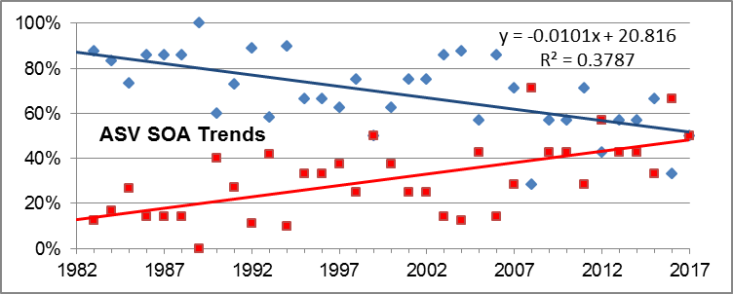
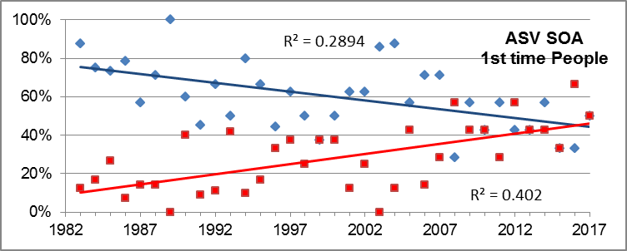
6 | 1987 | 6 | 1 | 1987 | 7 | 1987 | 4 | 1 | 1987 | 2 | 0 | 6 | 1987 | 86% | 14% | 1987 | 57% | 14%
7 | 1988 | 6 | 1 | 1988 | 7 | 1988 | 5 | 1 | 1988 | 1 | 0 | 7 | 1988 | 86% | 14% | 1988 | 71% | 14%
8 | 1989 | 7 | 0 | 1989 | 7 | 1989 | 7 | 0 | 1989 | 0 | 0 | 8 | 1989 | 100% | 0% | 1989 | 100% | 0%
9 | 1990 | 6 | 4 | 1990 | 10 | 1990 | 6 | 4 | 1990 | 0 | 0 | 9 | 1990 | 60% | 40% | 1990 | 60% | 40%
10 | 1991 | 8 | 3 | 1991 | 11 | 1991 | 5 | 1 | 1991 | 3 | 2 | 10 | 1991 | 73% | 27% | 1991 | 45% | 9%
11 | 1992 | 8 | 1 | 1992 | 9 | 1992 | 6 | 1 | 1992 | 2 | 0 | 11 | 1992 | 89% | 11% | 1992 | 67% | 11%
12 | 1993 | 7 | 5 | 1993 | 12 | 1993 | 6 | 5 | 1993 | 1 | 0 | 12 | 1993 | 58% | 42% | 1993 | 50% | 42%
13 | 1994 | 9 | 1 | 1994 | 10 | 1994 | 8 | 1 | 1994 | 1 | 0 | 13 | 1994 | 90% | 10% | 1994 | 80% | 10%
14 | 1995 | 4 | 2 | 1995 | 6 | 1995 | 4 | 1 | 1995 | 0 | 1 | 14 | 1995 | 67% | 33% | 1995 | 67% | 17%
15 | 1996 | 6 | 3 | 1996 | 9 | 1996 | 4 | 3 | 1996 | 2 | 0 | 15 | 1996 | 67% | 33% | 1996 | 44% | 33%
16 | 1997 | 5 | 3 | 1997 | 8 | 1997 | 5 | 3 | 1997 | 0 | 0 | 16 | 1997 | 63% | 38% | 1997 | 63% | 38%
17 | 1998 | 6 | 2 | 1998 | 8 | 1998 | 4 | 2 | 1998 | 2 | 0 | 17 | 1998 | 75% | 25% | 1998 | 50% | 25%
18 | 1999 | 4 | 4 | 1999 | 8 | 1999 | 3 | 3 | 1999 | 1 | 1 | 18 | 1999 | 50% | 50% | 1999 | 38% | 38%
19 | 2000 | 5 | 3 | 2000 | 8 | 2000 | 4 | 3 | 2000 | 1 | 0 | 19 | 2000 | 63% | 38% | 2000 | 50% | 38%
20 | 2001 | 6 | 2 | 2001 | 8 | 2001 | 5 | 1 | 2001 | 1 | 1 | 20 | 2001 | 75% | 25% | 2001 | 63% | 13%
21 | 2002 | 6 | 2 | 2002 | 8 | 2002 | 5 | 2 | 2002 | 1 | 0 | 21 | 2002 | 75% | 25% | 2002 | 63% | 25%
22 | 2003 | 6 | 1 | 2003 | 7 | 2003 | 6 | 0 | 2003 | 0 | 1 | 22 | 2003 | 86% | 14% | 2003 | 86% | 0%
23 | 2004 | 7 | 1 | 2004 | 8 | 2004 | 7 | 1 | 2004 | 0 | 0 | 23 | 2004 | 88% | 13% | 2004 | 88% | 13%
24 | 2005 | 4 | 3 | 2005 | 7 | 2005 | 4 | 3 | 2005 | 0 | 0 | 24 | 2005 | 57% | 43% | 2005 | 57% | 43%
25 | 2006 | 6 | 1 | 2006 | 7 | 2006 | 5 | 1 | 2006 | 1 | 0 | 25 | 2006 | 86% | 14% | 2006 | 71% | 14%
26 | 2007 | 5 | 2 | 2007 | 7 | 2007 | 5 | 2 | 2007 | 0 | 0 | 26 | 2007 | 71% | 29% | 2007 | 71% | 29%
27 | 2008 | 2 | 5 | 2008 | 7 | 2008 | 2 | 4 | 2008 | 0 | 1 | 27 | 2008 | 29% | 71% | 2008 | 29% | 57%
28 | 2009 | 4 | 3 | 2009 | 7 | 2009 | 4 | 3 | 2009 | 0 | 0 | 28 | 2009 | 57% | 43% | 2009 | 57% | 43%
29 | 2010 | 4 | 3 | 2010 | 7 | 2010 | 3 | 3 | 2010 | 1 | 0 | 29 | 2010 | 57% | 43% | 2010 | 43% | 43%
30 | 2011 | 5 | 2 | 2011 | 7 | 2011 | 4 | 2 | 2011 | 1 | 0 | 30 | 2011 | 71% | 29% | 2011 | 57% | 29%
31 | 2012 | 3 | 4 | 2012 | 7 | 2012 | 3 | 4 | 2012 | 0 | 0 | 31 | 2012 | 43% | 57% | 2012 | 43% | 57%
32 | 2013 | 4 | 3 | 2013 | 7 | 2013 | 3 | 3 | 2013 | 1 | 0 | 32 | 2013 | 57% | 43% | 2013 | 43% | 43%
33 | 2014 | 4 | 3 | 2014 | 7 | 2014 | 4 | 3 | 2014 | 0 | 0 | 33 | 2014 | 57% | 43% | 2014 | 57% | 43%
34 | 2015 | 4 | 2 | 2015 | 6 | 2015 | 2 | 2 | 2015 | 2 | 0 | 34 | 2015 | 67% | 33% | 2015 | 33% | 33%
35 | 2016 | 2 | 4 | 2016 | 6 | 2016 | 2 | 4 | 2016 | 0 | 0 | 35 | 2016 | 33% | 67% | 2016 | 33% | 67%
36 | 2017 | 3 | 3 | 2017 | 6 | 2017 | 3 | 3 | 2017 | 0 | 0 | 36 | 2017 | 50% | 50% | 2017 | 50% | 50%

